Product Strategy Map - Template
Project: The Product Strategy Map
This worksheet accompanies Reforge's Product Strategy Map module for the Mastering Product Management program. Use this worksheet to apply the phases of the project to your own product. Note: each phase has its own tab. Feeling stuck? See how this worksheet applies to LinkedIn Sales Navigator and Substack.

Phase 1: The 6 Dimensions of Product Strategy

1. Target Audience
Step | Audience |  | Audience Rationale
Total Addressable Audience | Veterans |  | This application is strictly for Veterans to apply for health care | 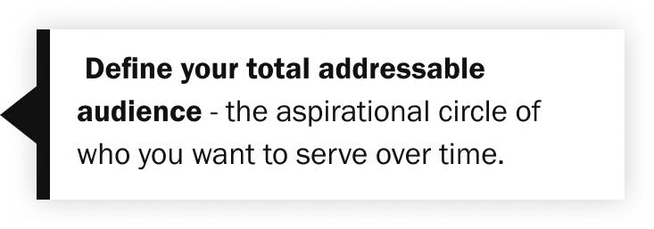
Narrowed Audience | Veterans who need health care |  | Not all Veterans need health care through VA, those who do need health care is a subset of the total audience. | 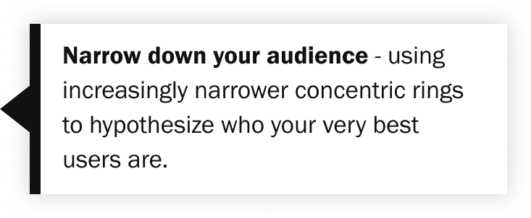
Target Audience | Veterans who need health care and are newly transitioning out of military service Veterans who need additional information (ex. Dental, vision), or may need to access them differently (if they dont qualify for dental or vision with HEC, do they tell them?) |  | Veterans who need health care and have transitioned (or will be in the next year),will need access to all the information on VA health care, dental and vision options, and other related programs | 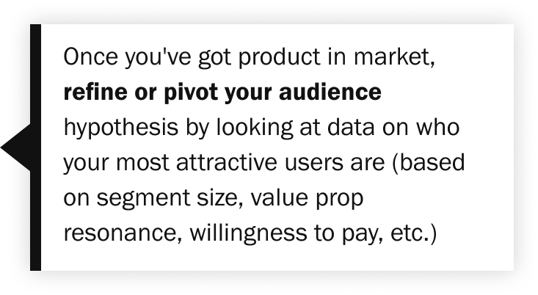

2. Problem You're Solving
Step | Notes
Outcome | The Veteran wants to apply for and access health care quickly and easily |  |  | 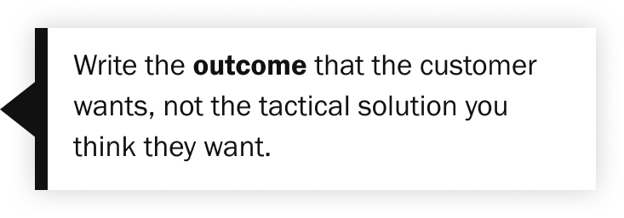
Motivation | Veterans want to access health care to address medical issues and concerns
Gaps | 1. Veterans don't know they need to apply for health care 2. Veterans don't know how to apply for health care 3. Veterans don't know what is covered by VA health care 4. Veterans don't have all their information requested during the application process 5. Veterans don't know how to check the status or even understand where their application is in the process (timeline, steps, etc) 6. Veterans don't know how to submit changes to their living situations that may impact their health care coverage from VA |  |  | 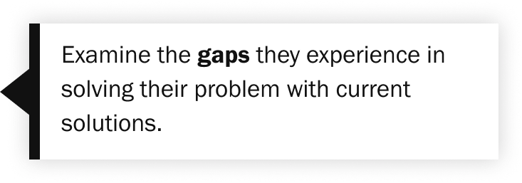
Problem Statement | Help Veterans to understand, apply for, track and update VA Health Care

3. Value Proposition
Step | Value prop / Sub-benefit |  | Details
Core value proposition | Apply for VA Health Care |  | The application will allow Veterans to apply for VA health care
--Sub-benefit #1 | Access to health care |  | Once the submitted application is processed and accepted, the Veteran can access health care by making an appointment as the VA facility of their choice
--Sub-benefit #2 | Reduced or zero copays based on certain criteria |  | Based on certain criteria (Race/Ethnicity/Origin, Income, Dependents, etc), costs for copays and medications can be reduced or waived completely
--Sub-benefit #3 | shortened form based on disability rating |  | If the Veteran has a disability rating of 50% or greater, they will be directed to a shortened form and will not be required to provide Military history or Financial informaition.
--Sub-benefit #4 | Check status of health care app - (Exists but not quite as good as we would like) |  | The veteran can check the status from submission to acceptance/rejection
--Sub-benefit #5 | Update personal information that may impact health care (Does not exist - EZR form not online yet) |  | The Veteran can submit updates to their information and situation that may impact their health care coverage

4. Strategic Differentiation
Step | Competitors | Notes
Full field of competition
--Direct competitor | Health care insurance companies
--Indirect competitors | Health care discount/supplement programs
--Adjacent markets | Tricare for military retirees
Unique attribute identification | - Staff experienced in providing care for Veterans who may have experienced trauma, envronmental and/or battle-related injuries, and any other active duty sufferings. - Low or no cost health care | Medical staff in the private sector may not have the experience and knowledge to assist with the trauma and injuries sustained while on active military duty. |  | 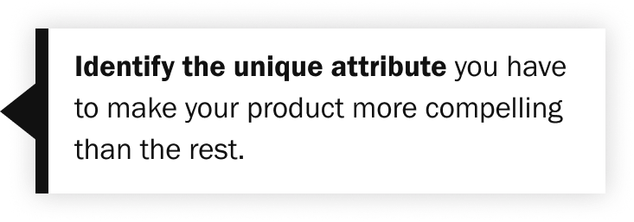

5. Channel Strategy
Major acquisition strategies | How to improve product-channel fit | Your primary strategy? | How do you improve your product-channel fit?
Viral | Improve network effects; fast time-to-value | x | I say "Sales" but I mean specifically materials and information provided to the Veterans at exit/discharge. Also, the content on VA.gov should be kept up to date and accurate, so that the information can be accessed at the convenience of the Veteran when they are ready to begin the next stage of their life cycle. We are improving the ease of completing the application for Veterans with a high disability rating. We need to continue doing for that other Veterans as well, by looking to expand Short Form flow, reorganizing the Household section (Spouse, Dependents, Income) to flow better and be more clear in what we are asking and why. We also need to ensure the Veterans understand what is covered and how they can access it (including Dental, Vision). - How might we better inform the Veteran of the types of coverage and eligibility? - How might we help Veterans track the status of their application from submit to accept/reject? - How might we help Veterans submit updates when their situations change? Larger VA thoughts - How can we have an information hub that holds information from the Veteran when they apply or complete other forms that ask for the same information, such as Insurance or Income? - How can we house this data to be used in other applications, so that the Veteran does not need to continue filling out the same fields? - Or, How can we house the data, and provide a list of applications that the Veteran can apply for at once? Some forms need details that others do not, but all the information can be stored in one place and the fields can be completed at the same time, taking only the information it needs.
Content | Facilitate content generation |  |  | 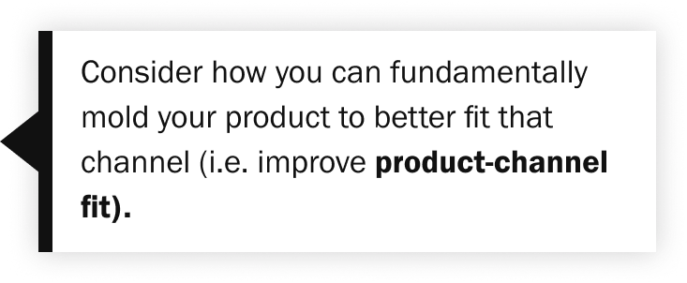
Paid | Very fast time-to-value |  |  | 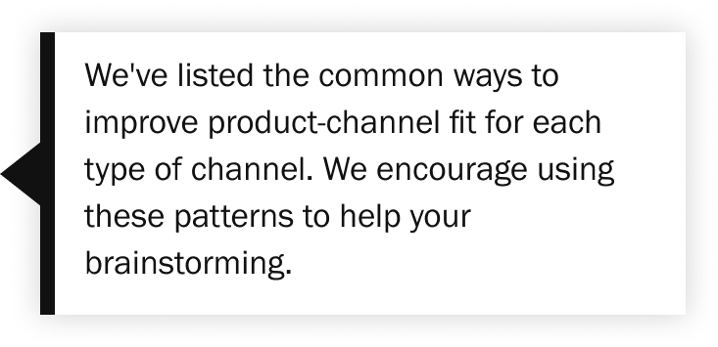
Sales | Address multiple persona needs | x

6. Monetization Strategy
Market segments | How to improve product-model fit | Your market segment? | How do you improve your product-channel fit?
Mass Market (~$10 ARPPU) | Improve network effects OR encourage content creation
Prosumer (~$100 ARPPU) | Build casual contact virality
SMB (~$1,000 ARPPU) | Focus on improving NPS, self-servability
Mid-Market (~$10,000 ARPPU) | Focus on improving NPS, self-servability; Begin adding in customizability
Enterprise (~$100,000 ARPPU) | Improve product customizability

